Guidelines
Document History
Version | Modified Date | Modified By | Approved by | Comments
3.0 | 8-Oct-23 | Joseph Villarin | Jef Winfield

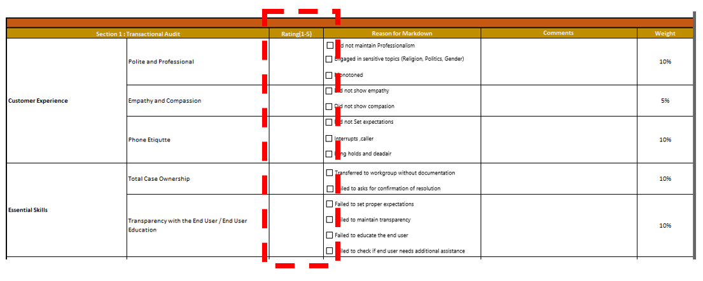
NPS Guidelines
Customer Experience | 5 | 4 | 3 | 2 | 1
Polite and Professional | Controlled the conversation with high level of professionalism. Consistently used the appropriate tone of voice and polite response all throughout the call. Listen generously and thank the customer for the information provided | Inconsistently showed politeness through the tone of voice and polite response. | Able to respond to all questions but in a monotoned voice. | Monotoned voice, mentioned anything about sensitive topics | Explicitly showed rude response to the caller
Empathy and Compassion | Able to capture all the emotions of the caller and respond accordingly all throughout the call. Able to give strong assurance statement that he/she can assist. | Able to empathize but in an inconsistent manner. | Sympathetic rather than empathetic. Failed to acknowledge customer's inputs. | Only respond with verbal nods or gave inappropriate empathy statement. | Did not empathize at all.
Phone Etiquette | Complete control. Maintained a conversational call all throughout. No interruption, no dead air. | Minor interruptions and dead air. | Interrupting the caller while they are explaining or analyst is not explaining the dead air. | Long pause repeatedly. Multiple interruptions. | No response at all when asked a question/ Talking over the customer all throughout.

Essential Skills | 5 | 4 | 3 | 2 | 1
Total Case Ownership | Able to resolve the issue in a reasonable amount of time, or able to properly explain why the call needs to be transferred, or able to provide the best workaround for an issue that has no solution yet. | Incomplete information of the resolution, reason for transfer and workaround. | Did not test the resolution, did not transfer the call. | Did not provide a resolution or workaround despite there being a resolution, or fails to escalate at all. | Gives customer an incorrect resolution or unworkable workaround.
Transparency with the End User/ End User Education | Able to educate the caller about the issue, educate about the possible reason and able to do a call mapping of the possible solution and all the concerns were addressed | Able to educate the user with the main issue but did not ask the caller if he/she has any further concerns | Issue is resolved but did not educate the user about the cause and how it was resolved. | Provided the wrong expectation to the caller about the issue. | Lied to the customer about the cause of the issue, provided false statements about the workflow

